K=120
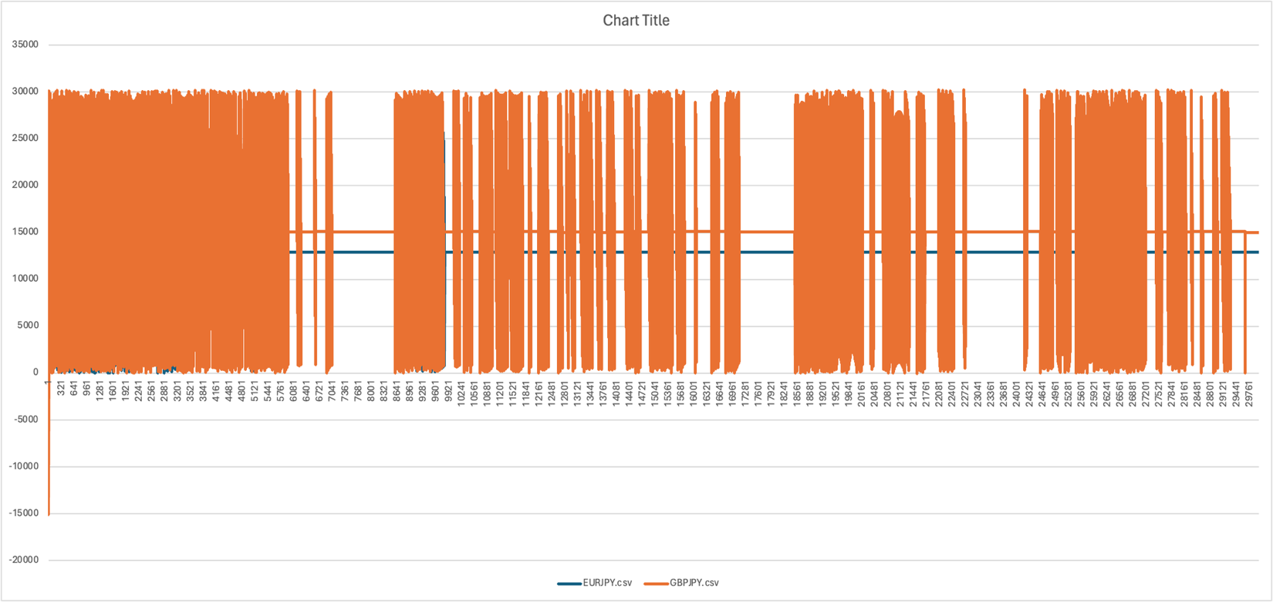
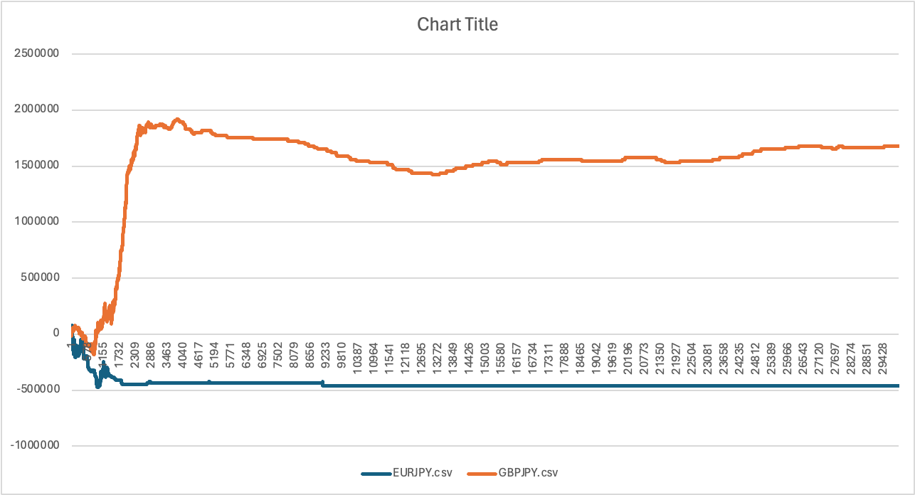
K=120 | 30,000 lines
Testing for EURJPY.csv

K=3000
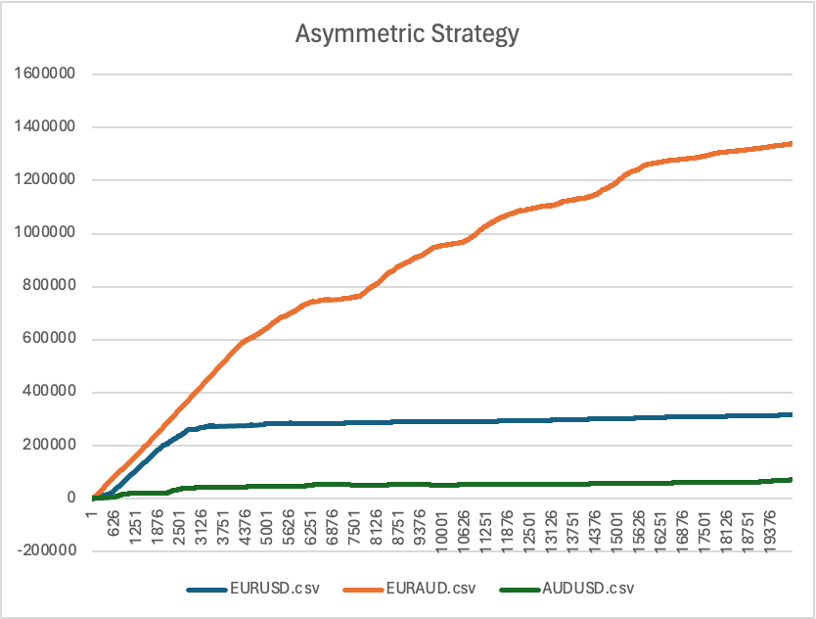
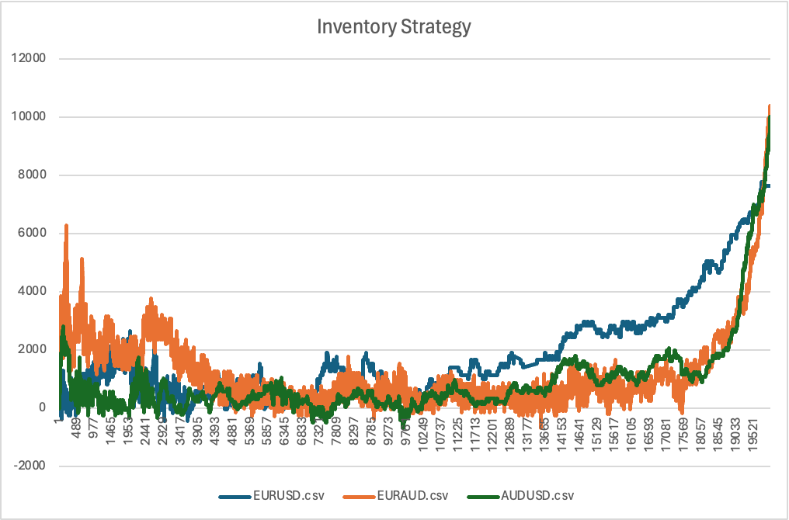

K=10
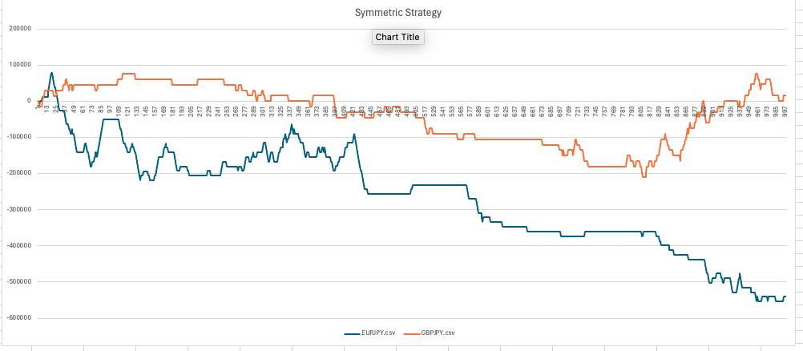
Inventory Strategy
 | EURJPY.csv | GBPJPY.csv
 | 12908.980263 | 15096.480263
 | 3.9605254592 | 30192.960525
 | 12912.940788 | 15100.440788
 | 25821.921051 | 30196.921051
 | 38733.283106 | 14630.202272
 | 25658.555138 | 29720.73382
 | 12692.205155 | 9600.0180931
 | 25598.406638 | 23275.665823
 | 12388.255532 | 6402.9020332
 | 25286.59588 | 19910.128214
 | 12054.393716 | 4038.4839495
 | 24944.397368 | 17489.529809
 | 11766.812203 | 2041.227834
 | 24653.87051 | 15267.987664
 | 11527.005978 | 152.01736346
 | 24411.700115 | 13454.762728
 | 11293.66255 | 28365.715564
 | 24171.151337 | 11852.179414
 | 11063.670407 | 26625.474985
 | 23862.969897 | 10444.232001
 | 9790.8162282 | 25121.321567
 | 22276.566267 | 9160.4892584
 | 7810.4796563 | 23769.830601
 | 19762.376668 | 7993.0250128
 | 5494.2131702 | 22557.726915
 | 16907.38282 | 6901.0011004
 | 3179.3227456 | 21401.437884
 | 14116.744417 | 5865.2879341
 | 964.71458759 | 20326.026876
 | 11566.072704 | 4883.0672444
 | 24229.589612 | 19316.890442
 | 9271.4924679 | 3957.6411504
 | 21549.658575 | 18377.063058
 | 7172.7374973 | 3090.8163126
 | 19144.51204 | 17449.335989
 | 5242.3674822 | 2202.6574031
 | 16964.587321 | 16503.214089
 | 3442.228781 | 1325.7350839
 | 14965.979447 | 15543.300304
 | 1763.1660589 | 405.83927375
 | 13101.532574 | 14357.843168
 | 167.24030896 | 29394.675375
 | 11349.230604 | 12991.929763
 | 24056.19328 | 27902.338718
 | 9678.3148111 | 11677.195893
 | 22166.802814 | 26480.574681
 | 8065.6795425 | 10095.725618
 | 20359.022781 | 24642.159336
 | 6520.389169 | 8513.4774281
 | 18638.746462 | 22909.985478
...

K=50
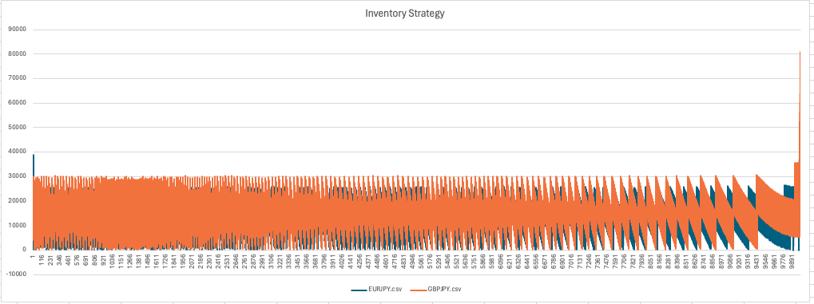
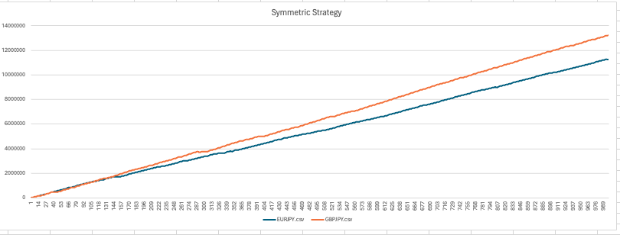
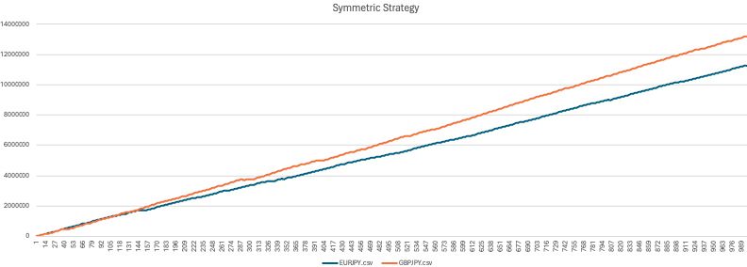

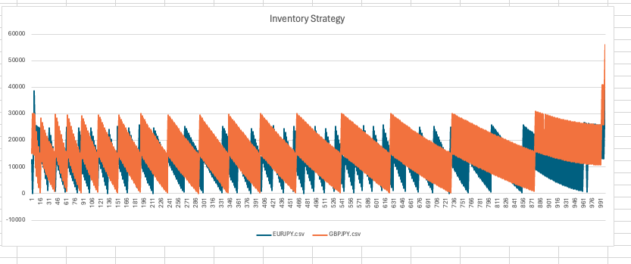

for 10000

